SEF Utilization
REPORT OF SEF UTILIZATION
Fund 221 (SEF)
For the 3rd Quarter Ended September 30, 2018

Province: Pangasinan
Municipality: Municipality of Asingan

Receipt from SEF |  |  | 3,376,117.81

LESS: Disbursement (breakdown by object of expenditure)
Personal Services:
 | Salaries and Wages - Casual/Contractual |  | -
 | Honoraria |  | -
 | Total Personal Services |  | -

Maintenance and Other Expenses (MOOE)
 | Traveling Expenses - Local |  | 28,200.00
 | Traveling Expenses - Foreign |  | -
 | Training Expenses |  | 62,000.00
 | Scholarship Grants/Expenses |  | -
 | Office Supplies Expenses |  | 118,072.00
 | Textbooks and Instructional Materials Expenses |  | 239,765.00
 | Military, Police and Traffic Supplies Expenses |  | -
 | Chemical and Filtering Supplies Expenses |  | -
 | Other Supplies and Materials Expenses |  | 303,290.00
 | Extraordinary and Miscellaneous Expenses |  | 171,561.00
 | Repairs and Maintenance - Infrastructure Assets |  | -
 | Repairs and Maintenance - Buildings and Other Structures |  | 1,110,292.49
 | Other Maintenance and Operating Expenses |  | 11,820.00
 | Total MOOE |  | 2,076,885.49

Capital Outlay (CO)
 | Books |  | -
 | Communication Equipment |  | -
 | Information and Communication Technology Equipment |  | 63,635.00
 | Office Equipment |  | 9,000.00
 | Other Machinery and Equipment |  | -
 | Furnitures and Fixtures |  | -
 | Other Structures |  | -
 | School Buildings |  | -
 | Sports Equipment |  | -
 | Total CO |  | 72,635.00

 | Total Disbursements |  | 2,149,520.49

Balance |  |  | 1,226,597.32

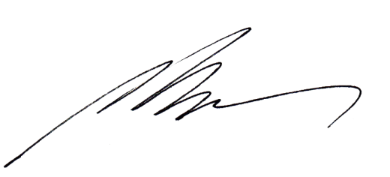

 | Certified Correct: | Noted by:

 | MARJORIE V. TINTE, CPA |  | ATTY. JOSHUA V. VIRAY
 | Municipal Accountant |  | Acting Municipal Mayor

